bug report 1.
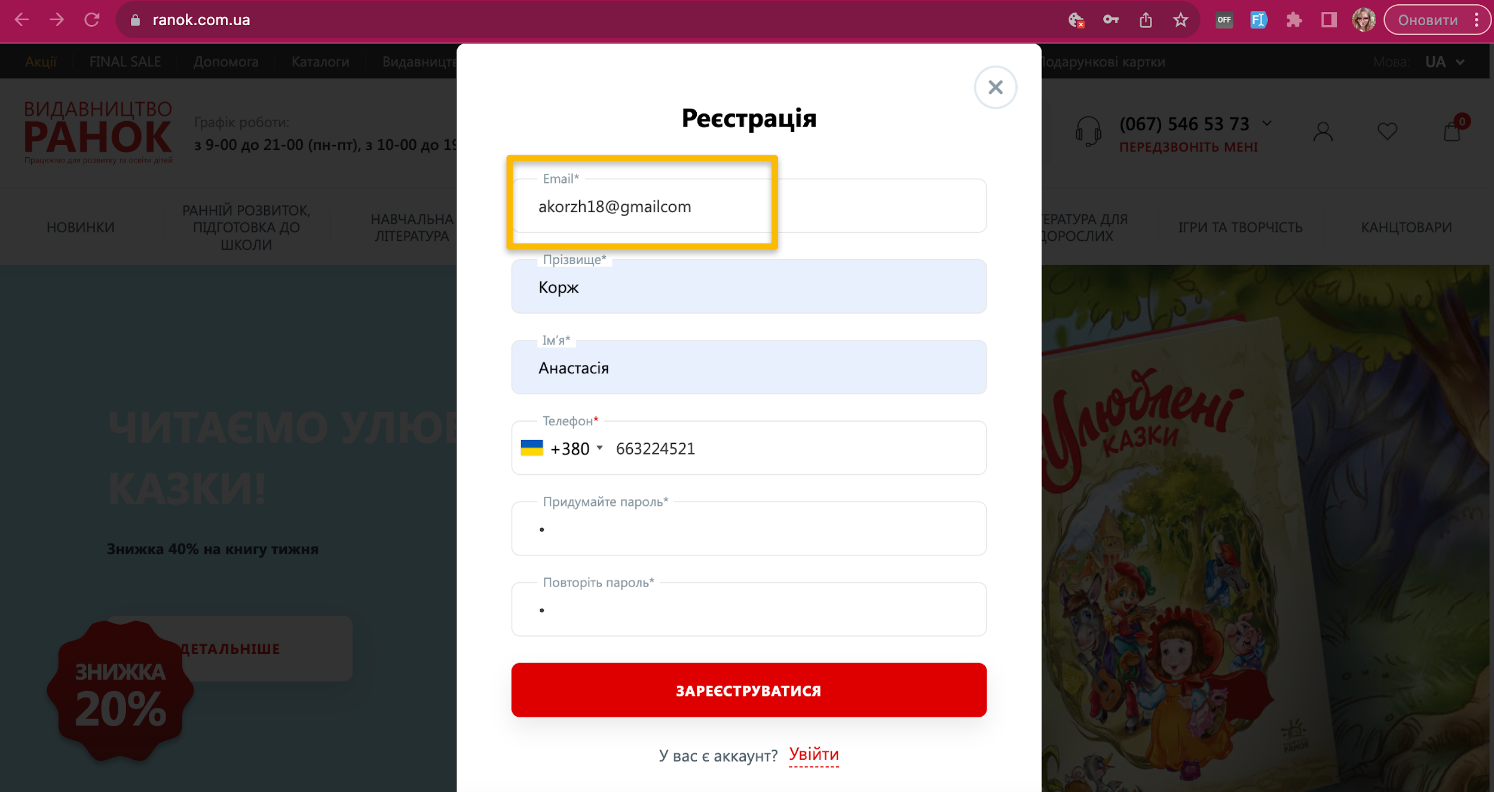
ID | #1
Reporter: | Korzh Anastasia | Assignee: |  | Status: | to do
Type: | Functional | Severity: | Critigal | Priority: | High
Browser: | Firefox 118.0.1 | OS: | macOS | OS version | Ventura 13.2.1
Summary: | A user may register with an invalid email address
Pre-conditions:
1 | Open the website https://www.ranok.com.ua/
Steps to reproduce:
1 | Click on the "Login to your personal account" icon in the header on the right.
2 | In the modal window that opens, click on the "Register" button
3 | In the registration modal window, enter an invalid email in the email field (akorzh18@gmailcom)
4 | Enter valid data in the remaining fields
5 | Click the "Register" button
Actual result:
After clicking on the "Register" button, the user creates an account and is redirected to the page with the "Personal Account"
Expected result:
After entering an invalid password, the user is shown the message "Enter a valid email" and cannot register
Attachments:
Additional info: The bug is duplicated on
Google Pixel 6 , Android 12 Google Chrome Версія v 117.0.5938.140

bug report 2
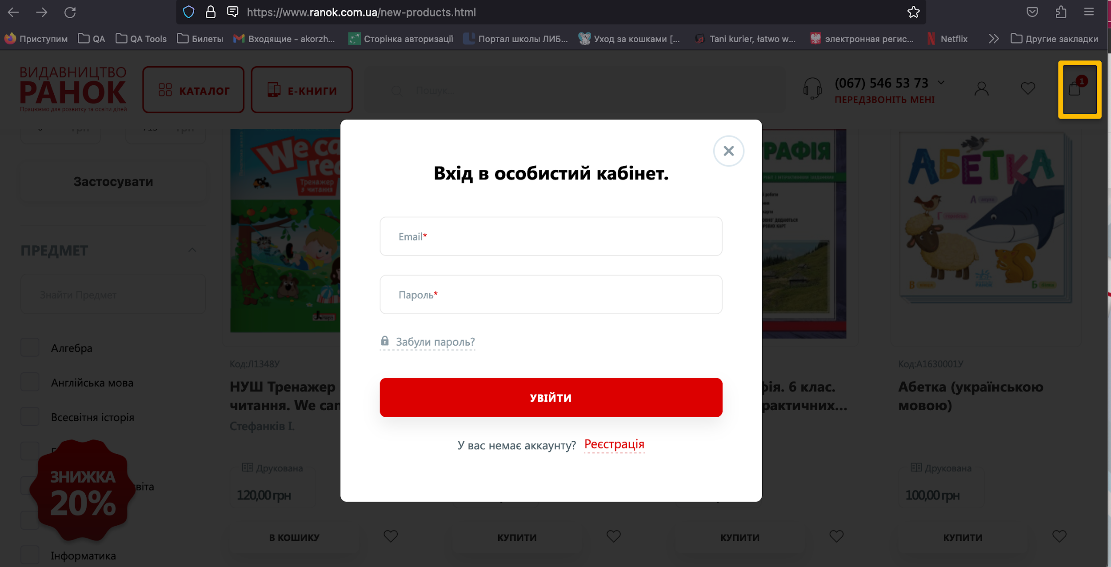
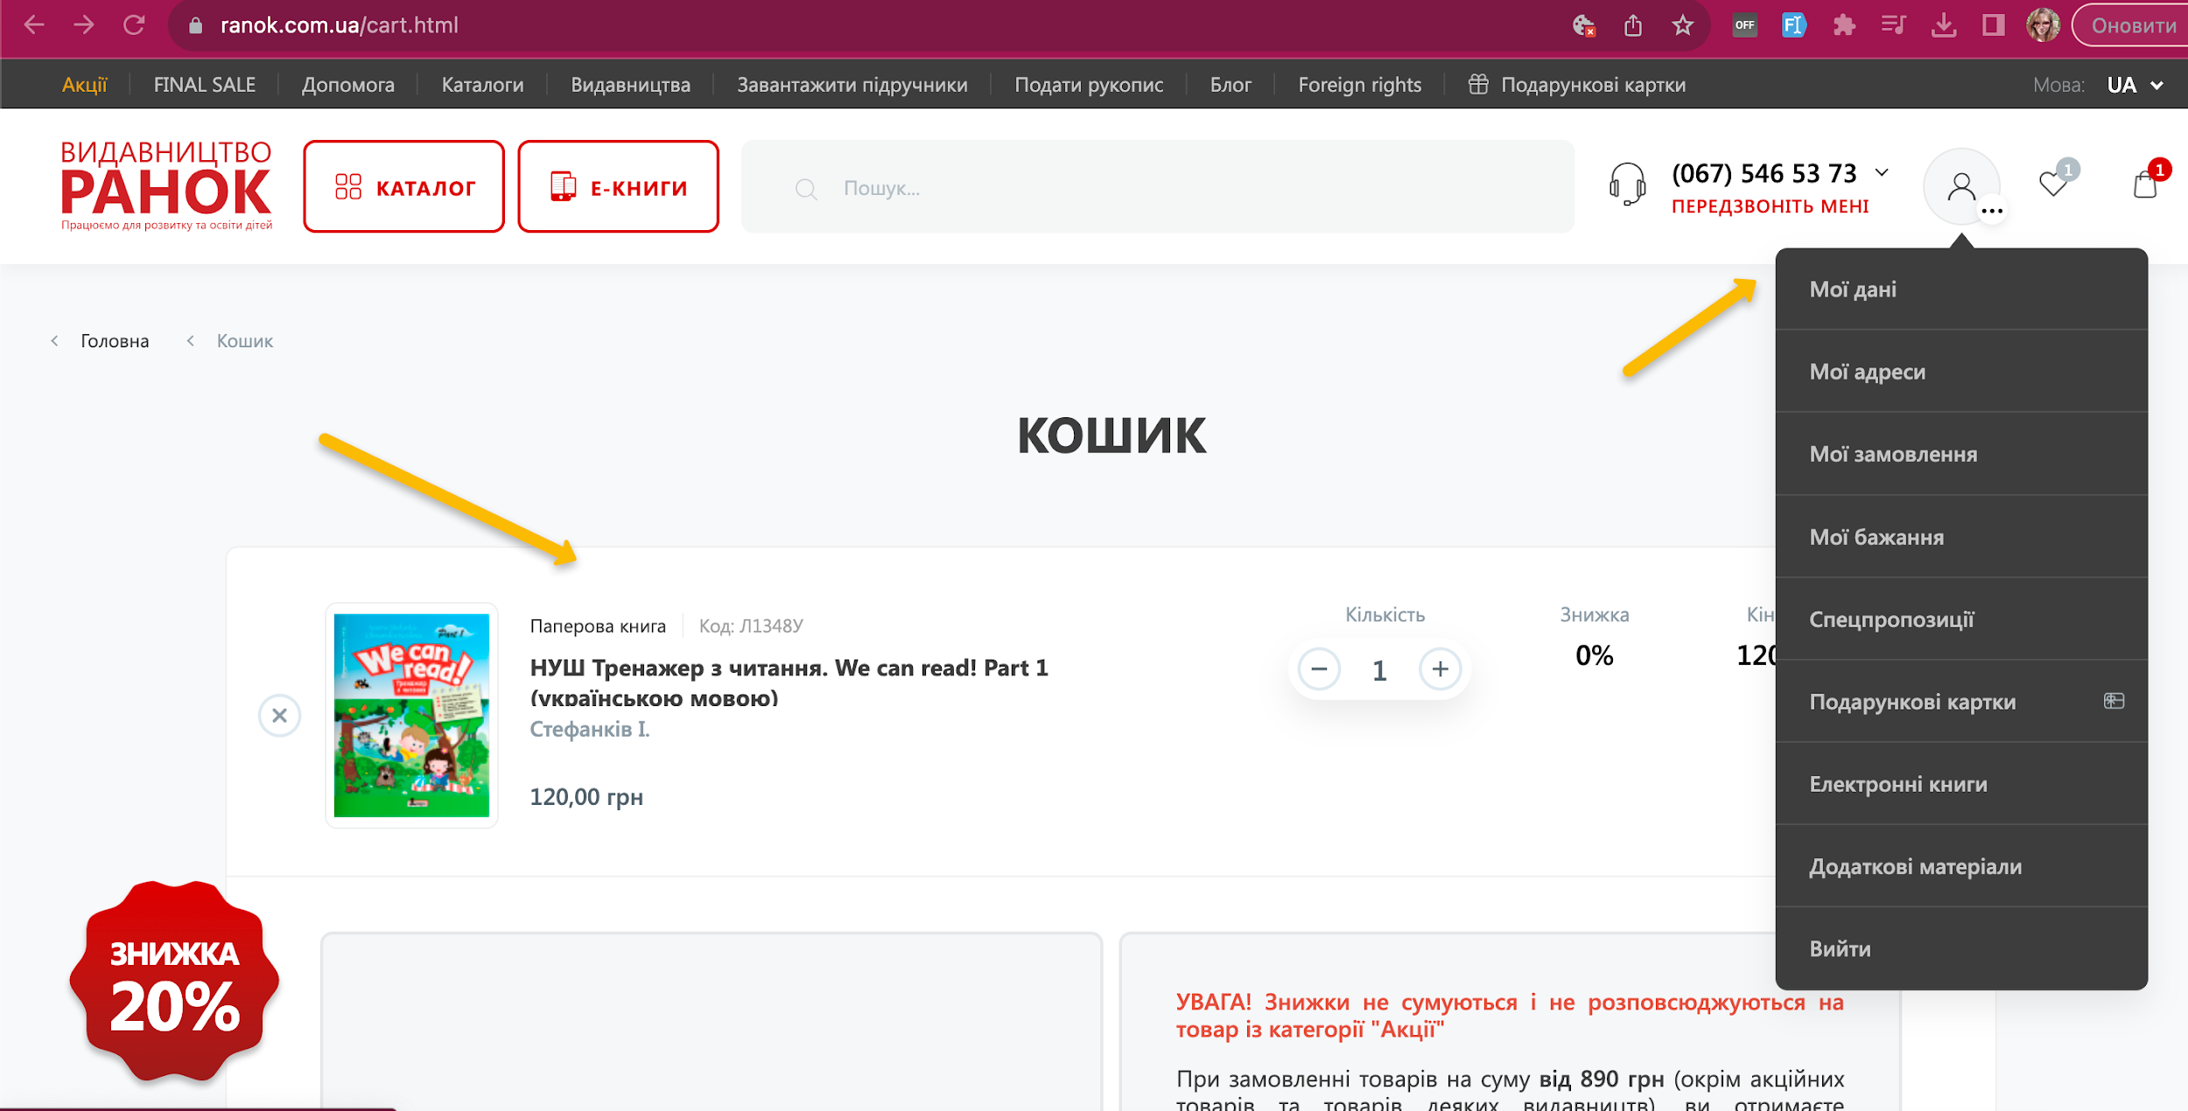
ID | #2
Reporter: | Korzh Anastasia | Assignee: |  | Status: | to do
Type: | Functional | Severity: | Critical | Priority: | High
Browser: | Firefox 118.0.1 | OS: | macOS | OS version | Ventura 13.2.1
Summary: | The product is added to the "cart" as an unregistered user, is displayed in the cart when logged in
Pre-conditions:
1 | open the website https://www.ranok.com.ua/
2 | the user account must be created earlier
Steps to reproduce:
1 | On the home page, in the header, select any category on the site (for example, New Items)
2 | On the PLP, under any book, click on the "Card" icon
3 | In the header on the right side click on "Log in to my personal account"
4 | Enter valid user data in the modal window
5 | In the header click on the shopping cart icon
Actual result:
Аn item that was added to the cart by an unregistered user is displayed in the cart of a logged-in user
Expected result:
Аn item that was added to the cart by an unregistered user is NOT displayed in the cart of a logged-in user
Attachments: | https://drive.google.com/file/d/14zbGbLGRtDtzOzH80zRxXF39UpA0yoW6/view?usp=sharing
Additional info: The bug is duplicated on
Google Pixel 6 , Android 12 Google Chrome Версія v 117.0.5938.140

bug report 3
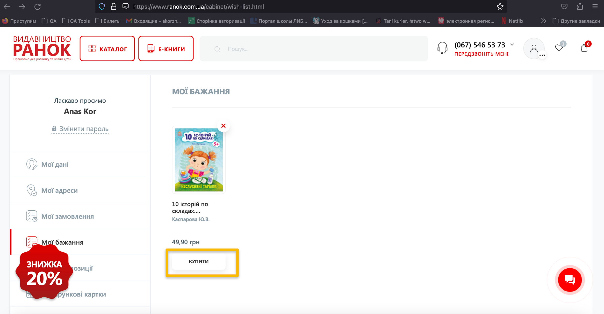
ID | #1
Reporter: | Korzh Anastasia | Assignee: |  | Status: | to do
Type: | Functional | Severity: | Major | Priority: | Medium
Browser: | Firefox 118.0.1 | OS: | macOS | OS version | Ventura 13.2.1
Summary: | The product from the "My Wishlist" tab is not added to the cart immediately when you click the "Buy" button
Pre-conditions:
1 | open the website https://www.ranok.com.ua/
2 | the user must be previously logged in
Steps to reproduce:
1 | On the home page, in the header, select any category on the site (for example, New Items)
2 | On the PLP, under any book, click on the "Hearts" icon
3 | In the header on the right, click on the "Hearts" icon
4 | On the "My Wishes" page, click on the "Buy" button under the book
Actual result:
After clicking on the "buy" button, the PDP opens
Expected result:
After clicking the "Buy" button, the product is immediately added to the cart
Attachments: | https://drive.google.com/file/d/1q_w53Q5igwDQSWYAhlRBTmd15QPVsY0a/view?usp=sharing
Additional info:The bug is duplicated on
Google Pixel 6 , Android 12 Google Chrome Версія v 117.0.5938.140

bug report 4
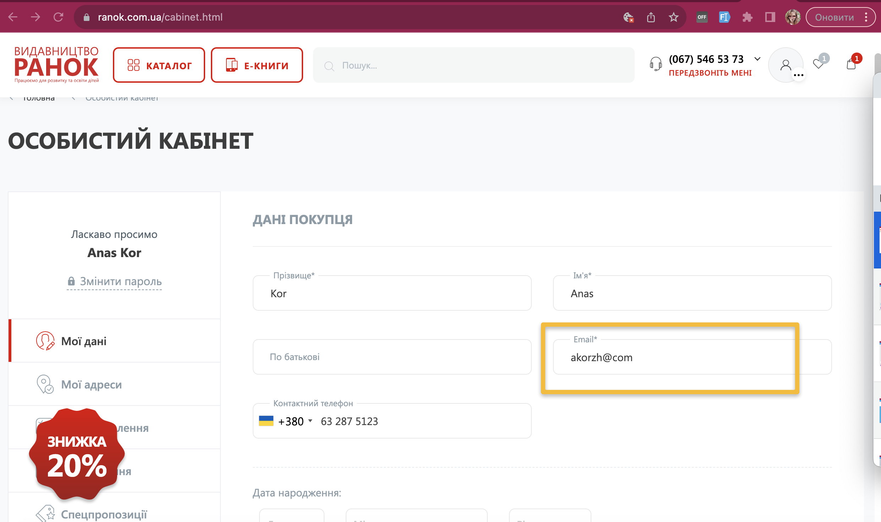
ID | #1
Reporter: | Korzh Anastasia | Assignee: |  | Status: | to do
Type: | Functional | Severity: | Сritical | Priority: | High
Browser: | Firefox 118.0.1 | OS: | macOS | OS version | Ventura 13.2.1
Summary: | User can change the email to invalid in "Personal Account"
Pre-conditions:
1 | open the website https://www.ranok.com.ua/
2 | the user has a created account and is logged in
Steps to reproduce:
1 | in the header on the right, click on the "My Account" icon
2 | in the drop down menu, select "My data"
3 | on the page "Personal account" in the window "Customer data ", change the email to invalid (akorzh@com)
4 | click on the "Save" button
Actual result:
you can change the email to invalid and save the changes
Expected result:
when the password is changed to an invalid one, the user receives a message "invalid password entered"
Attachments:
Additional info: The bug is duplicated on
Google Pixel 6 , Android 12 Google Chrome v 117.0.5938.140

bug report 5
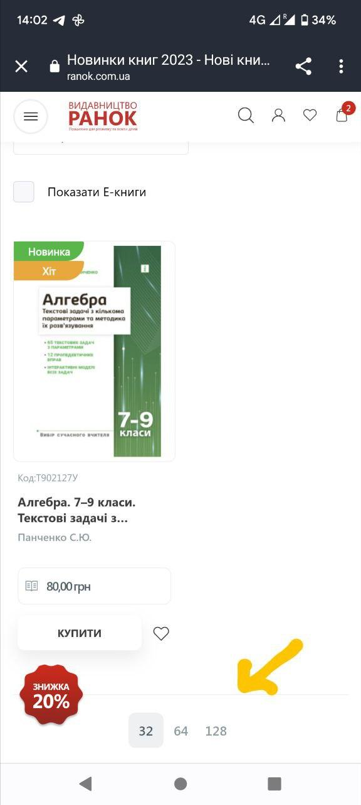
ID | #1
Reporter: | Korzh Anastasia | Assignee: |  | Status: | to do
Type: | Functional | Severity: | Magor | Priority: | Medium
Browser: | Chrome v. 117.0.5938.140 | OS: | Google Pixel 6 | OS version | Android 12
Summary: | Incorrect display of pagination when filtering products
Pre-conditions:
1 | Open the website https://www.ranok.com.ua/
Steps to reproduce:
1 | Select "Catalog" in the burger menu
2 | Select the "New items" category
3 | On the PLP, click the "Filters" button
4 | Select the item "Aлгебра"
5 | Click the "Show" button
6 | Scroll down the page to Paganization
Actual result:
Incorrect pagination is displayed to the user
Expected result:
The user is shown the correct page number (page 1, as there is only one filtered product).

Attachments: | https://drive.google.com/file/d/1ypptv8bBR9wFvW-UbeWMudp3cuse2E2T/view?usp=sharing
Additional info: баг дублюється на
macOS Ventura 13.2.1 , Google Chrome v 117.0.5938.140
macOS Ventura 13.2.1 , Firefox v. 118.0.1

